Invoice Template
Original Invoice
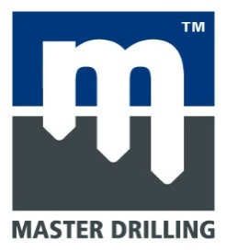 |  |  | MASTER DRILLING ZAMBIA LTD
Master Drilling Zambia,Plot 546 Chisha Mwamba Lane,
Industrial Area Mwaiseni Chingola,Zambia.
P.O Box 10443.
Tel: 0212 311 108
Email: sec@masterdrill.co.za | www.masterdrilling.com
Invoice Number:
MDSA0069

Invoice Date:
2021/05/24

Customs Code:
Exporter Full Address:
Negotiated Incoterm:
MASTER DRILLING ZAMBIA PLOT 546 CHISHAMWAMBA LANE OFF STATION ROAD INDUSTRIAL AREA CHINGOLA ZAMBIA
Acquisition Country:

Importers Full Address:
Country of Derication:
RDC MASTER DRILLING SARL NO 44 AVENUE KAPENDA MANIKA KOLWEZI ATTENTION: SAUL NDAWONA
Packing:

DELIVERY ADDRESS
KAMOA COPPER MINE
KOLWEZI
DRC

ITEM | HS CODE | QTY | DESCRIPTION | COUNTRY OF ORIGIN |  | TOTAL NETT WEIGHT KG | UNIT PRICES | TOTAL PRICES
 |  |  | PERMANENT
1 | 8430.49.00.7 | 1 | 71R Machine in C.K.D | ZAMBIA |  | 37520 | USD 35,592.20 | USD 35,592.20

 |  | 1 |  |  |  | 37520.00
 | Grand Total |  |  |  |  |  |  | USD 35,592.20

 |  |  |  |  | Signature:

The information contained in this document is confidential and proprietary to Master Drilling. No part of the document may be circulated, quoted, or reproduced for distribution outside the Master Drilling organization without prior written approval from Master Drilling. © 2010, Master Drilling, All Rights Reserved.

